IBRA Map
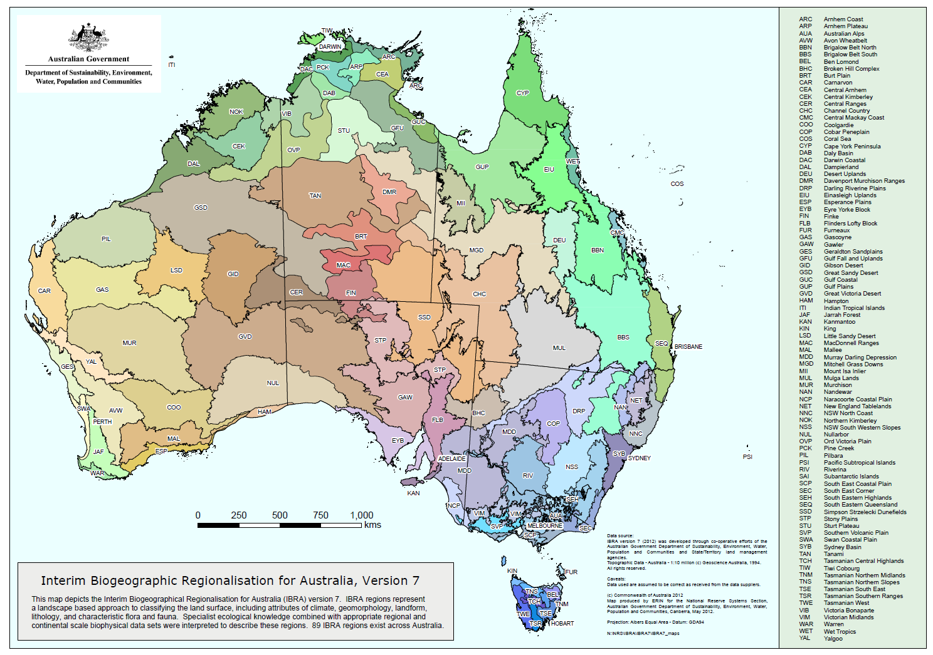
Source: http://www.environment.gov.au/land/nrs/science/ibra/australias-bioregions-maps

