Borehole cover specs
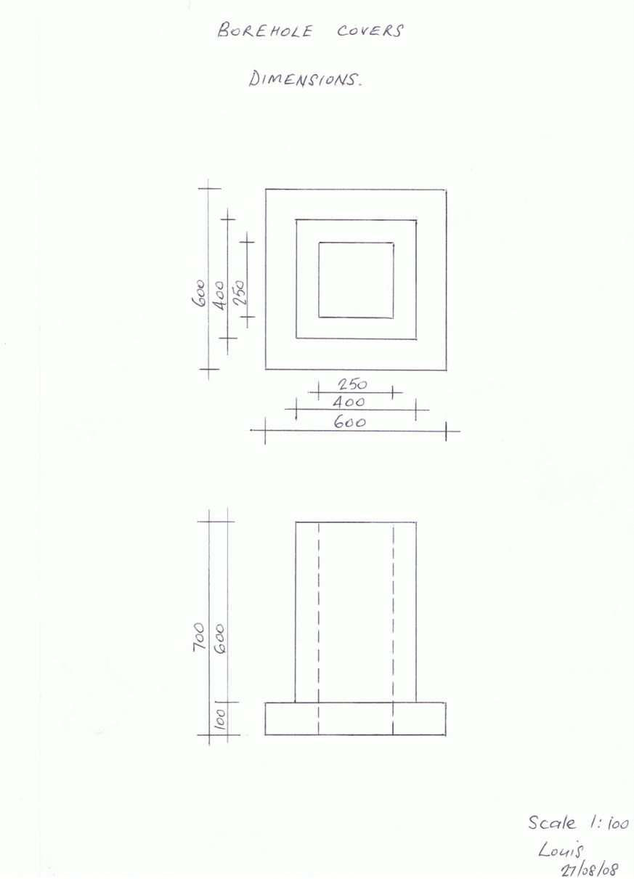
Borehole Concrete Box | Borehole Aluminium Lids

